Pivot Table
Sum of Total Sales Price |  | Average of Quantity | Average of Days Difference |  | Average of Total Sales Price |  | Count of Order_ID
₹ 3,520,984.00 |  | 3 | 6 |  | ₹ 3,520.98 |  | 1,000
 |  | 3 | 6 |  | ₹ 3,521 |  | 1,000

₹ 3,520,984.00

Row Labels | Sum of Total Sales Price |  | Row Labels | Sum of Total Sales Price |  | Row Labels | Sum of Total Sales Price | Row Labels | Sum of Total Sales Price
January | 95,468 |  | Magnam Set | 121905 |  | Colors | 1005645 | Colors | 1005645
February | 704,509 |  | Quia Gift | 114476 |  | Soft Toys | 740831 | Soft Toys | 740831
March | 511,823 |  | Dolores Gift | 106624 |  | Sweets | 733842 | Sweets | 733842
April | 140,393 |  | Harum Pack | 101556 |  | Cake | 329862 | Cake | 329862
May | 150,346 |  | Deserunt Box | 97665 |  | Raksha Bandhan | 297372 | Raksha Bandhan | 297372
June | 157,913 |  | Nostrum Box | 97656 |  | Plants | 212281 | Grand Total | 3107552
July | 135,826 |  | Error Gift | 97012 |  | Mugs | 201151
August | 737,389 |  | Exercitationem Pack | 96701 |  | Grand Total | 3520984
September | 136,938 |  | Nam Gift | 91385
October | 151,619 |  | Dignissimos Pack | 90036
November | 449,169 |  | Grand Total | 1015016
December | 149,591
Grand Total | 3,520,984

 | Row Labels | Sum of Quantity | Row Labels | Average of Days Difference |  | Row Labels | Sum of Total Sales Price
 | Imphal | 108 | 1 | 6 |  | All Occasions | 586176
 | Dhanbad | 85 | 2 | 5 |  | Anniversary | 674634
 | Kavali | 84 | 3 | 6 |  | Birthday | 408194
 | Haridwar | 73 | 4 | 5 |  | Diwali | 313783
 | Dibrugarh | 70 | 5 | 6 |  | Holi | 574682
 | Bhatpara | 62 | Grand Total | 6 |  | Raksha Bandhan | 631585
 | Agra | 61 |  |  |  | Valentine's Day | 331930
 | North Dumdum | 61 |  |  |  | Grand Total | 3520984
 | Bidhannagar | 61
 | Chinsurah | 55 | Row Labels | Sum of Quantity
 | Grand Total | 720 | Cake |  | Row Labels | Sum of Quantity
 |  |  | Anniversary | 86 | Cake
 |  |  | Birthday | 76 | Anniversary | 86
 |  |  | Holi | 86 | Birthday | 76
 |  |  | Raksha Bandhan | 82 | Holi | 86
 |  |  | Valentine's Day | 45 | Raksha Bandhan | 82
 |  |  | Colors |  | Valentine's Day | 45
 |  |  | All Occasions | 63 | Colors
 |  |  | Anniversary | 74 | All Occasions | 63
 |  |  | Birthday | 89 | Anniversary | 74
 |  |  | Diwali | 61 | Birthday | 89
 |  |  | Holi | 268 | Diwali | 61
 |  |  | Raksha Bandhan | 100 | Holi | 268
 |  |  | Valentine's Day | 155 | Raksha Bandhan | 100
 |  |  | Mugs |  | Valentine's Day | 155
 |  |  | All Occasions | 30 | Mugs
 |  |  | Birthday | 72 | All Occasions | 30
 |  |  | Holi | 61 | Birthday | 72
 |  |  | Valentine's Day | 69 | Holi | 61
 |  |  | Plants |  | Valentine's Day | 69
 |  |  | Anniversary | 129 | Plants
 |  |  | Birthday | 72 | Anniversary | 129
 |  |  | Diwali | 44 | Birthday | 72
 |  |  | Holi | 40 | Diwali | 44
 |  |  | Valentine's Day | 21 | Holi | 40
 |  |  | Raksha Bandhan |  | Valentine's Day | 21
 |  |  | All Occasions | 32 | Raksha Bandhan
 |  |  | Anniversary | 114 | All Occasions | 32
 |  |  | Birthday | 42 | Anniversary | 114
 |  |  | Diwali | 56 | Birthday | 42
 |  |  | Valentine's Day | 34 | Diwali | 56
 |  |  | Soft Toys |  | Valentine's Day | 34
 |  |  | All Occasions | 185 | Soft Toys
 |  |  | Anniversary | 40 | All Occasions | 185
 |  |  | Birthday | 45 | Anniversary | 40
 |  |  | Holi | 59 | Birthday | 45
 |  |  | Raksha Bandhan | 148 | Holi | 59
 |  |  | Valentine's Day | 26 | Raksha Bandhan | 148
 |  |  | Sweets |  | Valentine's Day | 26
 |  |  | All Occasions | 75 | Sweets
 |  |  | Anniversary | 164 | All Occasions | 75
 |  |  | Birthday | 42 | Anniversary | 164
 |  |  | Diwali | 136 | Birthday | 42
 |  |  | Holi | 30 | Diwali | 136
 |  |  | Raksha Bandhan | 94 | Holi | 30
 |  |  | Grand Total | 3045 | Raksha Bandhan | 94
 |  |  |  |  | Grand Total | 3045

Dashboard
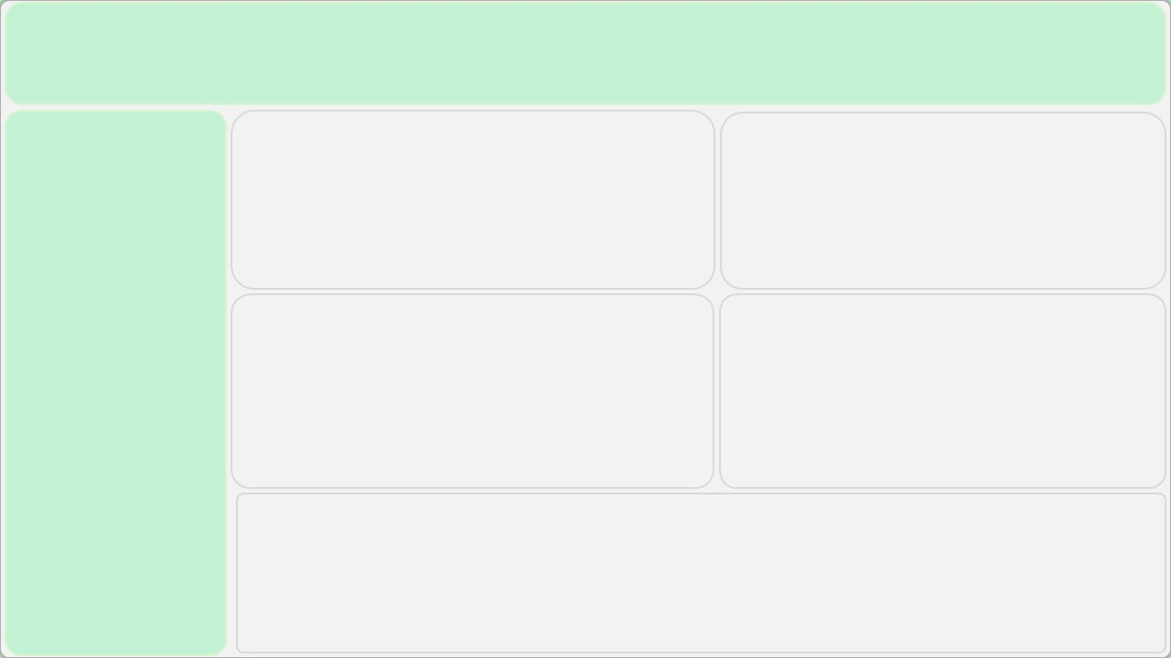
₹ 35,20,984.00
Total Revenue
3
Average Quentity
6
AVG.Delivery Days
₹ 3,521
Average Spending
1,000
Total Orders

Monthly Sales Performance
 | Total
January | 95,468
February | 704,509
March | 511,823
April | 140,393
May | 150,346
June | 157,913
July | 135,826
August | 737,389
September | 136,938
October | 151,619
November | 449,169
December | 149,591
Top 10 products
 | Total
Magnam Set | 121905
Quia Gift | 114476
Dolores Gift | 106624
Harum Pack | 101556
Deserunt Box | 97665
Nostrum Box | 97656
Error Gift | 97012
Exercitationem Pack | 96701
Nam Gift | 91385
Dignissimos Pack | 90036

Top 10 Cities
 | Total
Imphal | 108
Dhanbad | 85
Kavali | 84
Haridwar | 73
Dibrugarh | 70
Bhatpara | 62
Agra | 61
North Dumdum | 61
Bidhannagar | 61
Chinsurah | 55
Occasions
 | Total
All Occasions | 586176
Anniversary | 674634
Birthday | 408194
Diwali | 313783
Holi | 574682
Raksha Bandhan | 631585
Valentine's Day | 331930

